Sheet1
City Name | Ratio/Min Children | Q-Table | Load | H | Distance for Share (perc_max_dist) | Simulated | 10 Delivery Sets | Simulated 10 Times
Columbus (Est 300) | 5/2 |  | 300 | 1 | 54%

 | 10/7 |  | 300 | 1 | 61%

 | 15/12 |  | 300 | 1 | 62%

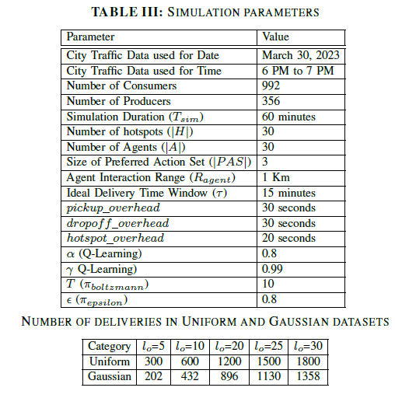
 | 15/12 |  | 350 | 1 | 62%

 | 15/12 |  | 400 | 1 | 62%

 | 15/12 |  | 450 | 1 | 62%

 | 15/12 |  | 500 | 1 | 62%

Philadelphia (est 400) | 5/2 |  | 300 | 1 | 37%

 | 10/7 |  | 300 | 1 | 34%

 | 15/12 |  | 300 | 1 | 30%

 | 20/17 |  | 300 | 1 | 28%

 | 30/27 |  | 300 | 1 | 31%

 | 40/37 |  | 300 | 1 | 32%

Chicago (est 800) | 5/2 |  | 300 | 1 | 29%

 | 10/7 |  | 300 | 1 | 28%

 | 15/12 |  | 300 | 1 | 31%

Chicago (subset) | 5/2 |  | 300 | 1 | 44%

 | 10/7 |  | 300 | 1 | 38%

 | 15/12 |  | 300 | 1 | 39%

 | 31 (full) |  | 300 | 1 | 0%

New York (2190) | 2024-10-07 |  | 300 | 1 | 29%

 | 15/12 |  | 300 | 1 | 29%

District of Columbia | 5/2 |  | 300 | 1 |  |  |  |  | ?

 | 10/7 |  | 300 | 1

 | 15/12 |  | 300 | 1

 | 1 Cluster |  | 300 | 1

 |  |  |  | ?

Completion | Description |  |  |  |  |  | Assigned | Target Date

TRUE | Fix multi-delivery sets |  |  |  |  |  | Yusuf, Robert | 2024-12-14

TRUE | Success Ratio fixes |  |  |  |  |  | Yusuf, Robert | 2024-12-14

TRUE | Finalize graphs showing improvement over DeliverAI |  |  |  |  |  | Robert | 2024-12-17

FALSE | Agent Message Exchange and Q-table length

FALSE | Plotting Pareto Solutions and comparing DeliverAI and QuikDel with Pareto frontiers |  |  |  |  |  | Nahid, Ashman

FALSE | Discuss the shape of the city |  |  |  |  |  | Robert

 | Establishing Markov and Chebyshev inequalities for the simulation metrics |  |  |  |  |  | ???

